Page1
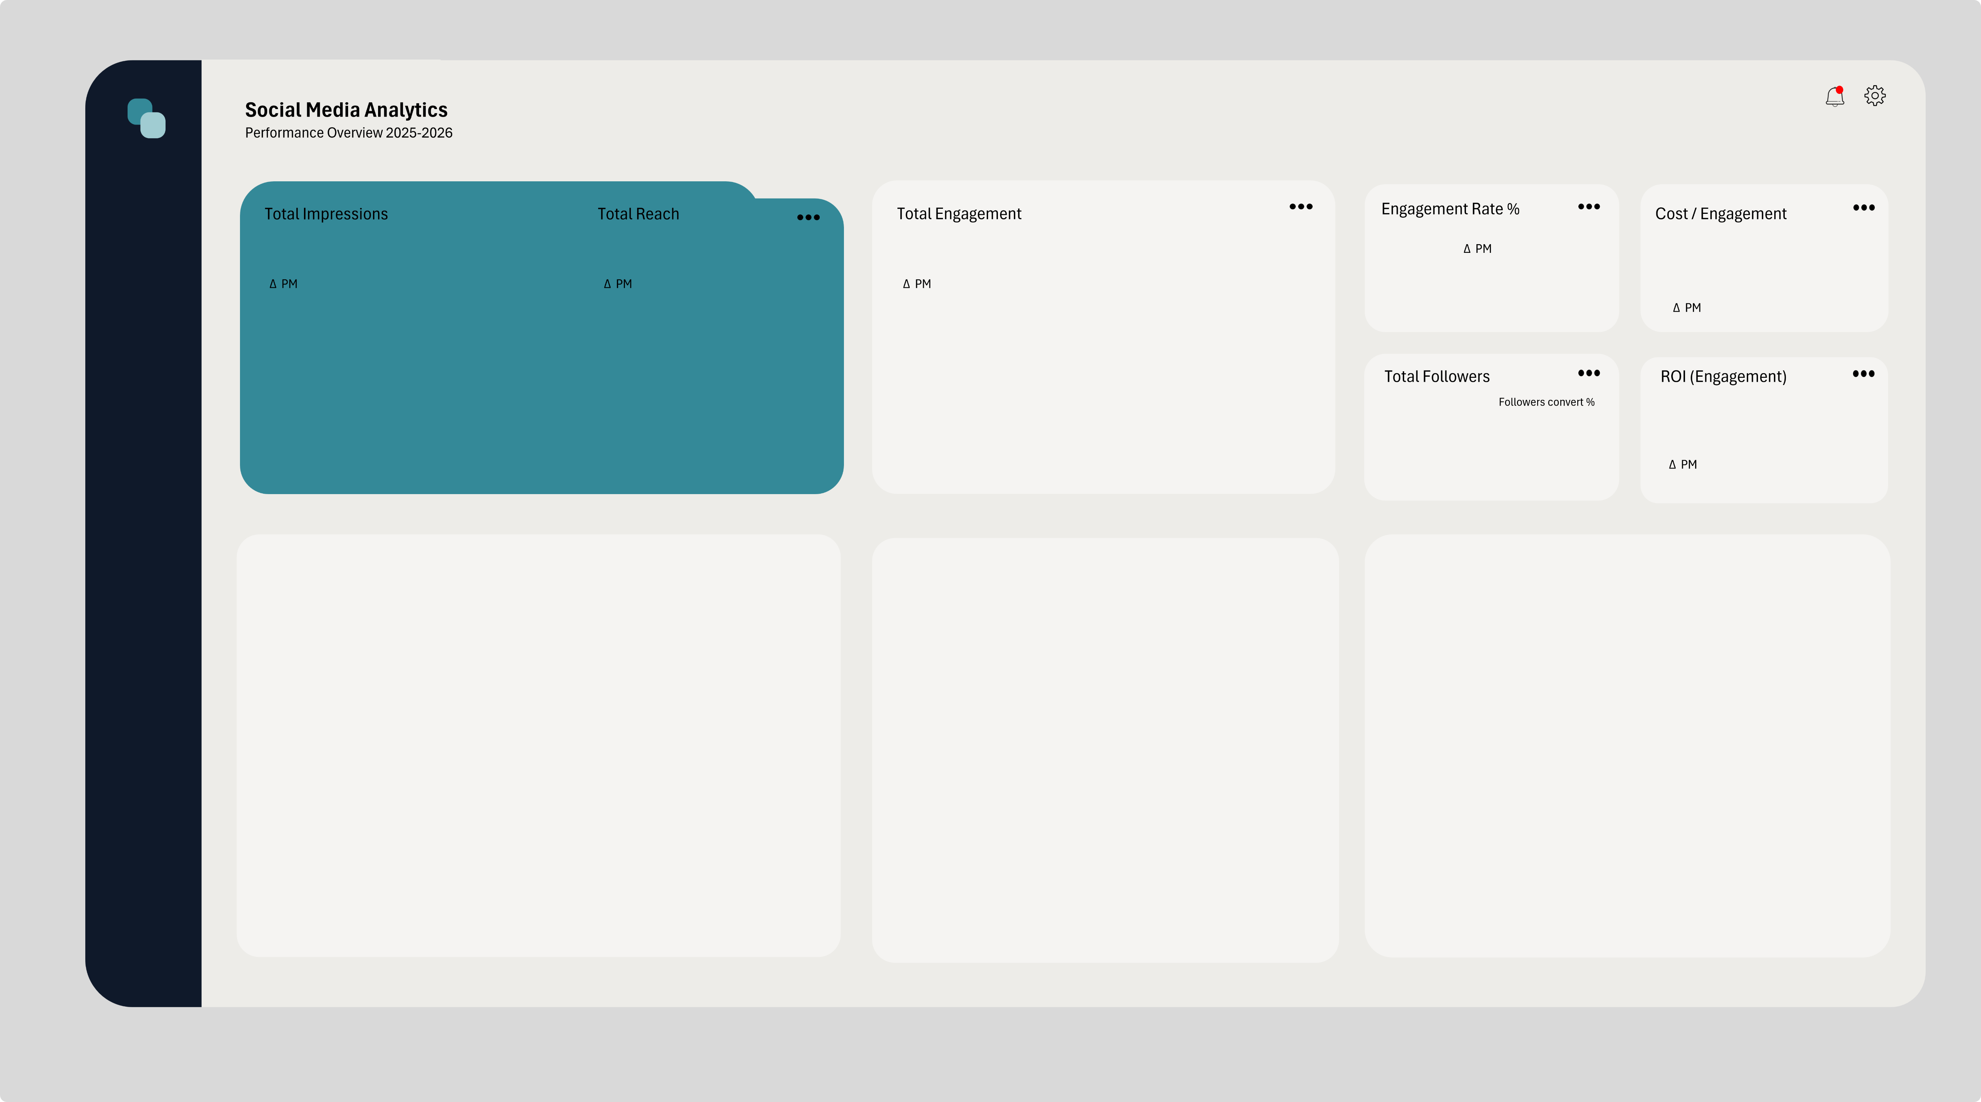

13,167,415
9,547,432
Likes | 500759
shares | 134888
Clicks | 120133
Comments | 88550
870,973
6.61%
$0.13
 | Total
Jan | 6.57%
Feb | 5.12%
Mar | 6.21%
Apr | 6.88%
May | 6.81%
Jun | 8.91%
Jul | 7.19%
Aug | 7.71%
Sep | 5.18%
Oct | 6.90%
Nov | 5.67%
Dec | 5.98%
 | Total Impressions | Total Reach
Jan | 950,372 | 725,063
Feb | 1,509,398 | 1,006,789
Mar | 797,639 | 625,774
Apr | 1,303,480 | 910,280
May | 1,290,349 | 999,453
Jun | 1,513,486 | 1,058,121
Jul | 1,115,268 | 814,192
Aug | 700,747 | 477,929
Sep | 984,680 | 698,651
Oct | 704,665 | 549,779
Nov | 595,239 | 457,861
Dec | 1,702,092 | 1,223,540

10,031
 | Total
Jan | 702
Feb | 750
Mar | 694
Apr | 1085
May | 1054
Jun | 1147
Jul | 939
Aug | 305
Sep | 913
Oct | 684
Nov | 570
Dec | 1188
7.41
0.11%

Platform PerformanceAds Concentration and Engagement rate
Facebook | 3.46%
Twitter/X | 3.86%
Instagram | 6.26%
TikTok | 8.97%
Content type PerformanceAds Concentration and Engagement rate
Text | 2.85%
Image | 4.88%
Carousel | 6.10%
Video | 9.35%
Engagement Trend Monthly Performance
 | Engagement Rate | Avg Engagement Rate (Global)
Jan | 6.57% | 6.61%
Feb | 5.12% | 6.61%
Mar | 6.21% | 6.61%
Apr | 6.88% | 6.61%
May | 6.81% | 6.61%
Jun | 8.91% | 6.61%
Jul | 7.19% | 6.61%
Aug | 7.71% | 6.61%
Sep | 5.18% | 6.61%
Oct | 6.90% | 6.61%
Nov | 5.67% | 6.61%
Dec | 5.98% | 6.61%

Engagement peaked in June at 8.91%, driven primarily by TikTok content. The lowest engagement occurred in February at 5.12%. Average engagement across the period is 6.61%.

Page2
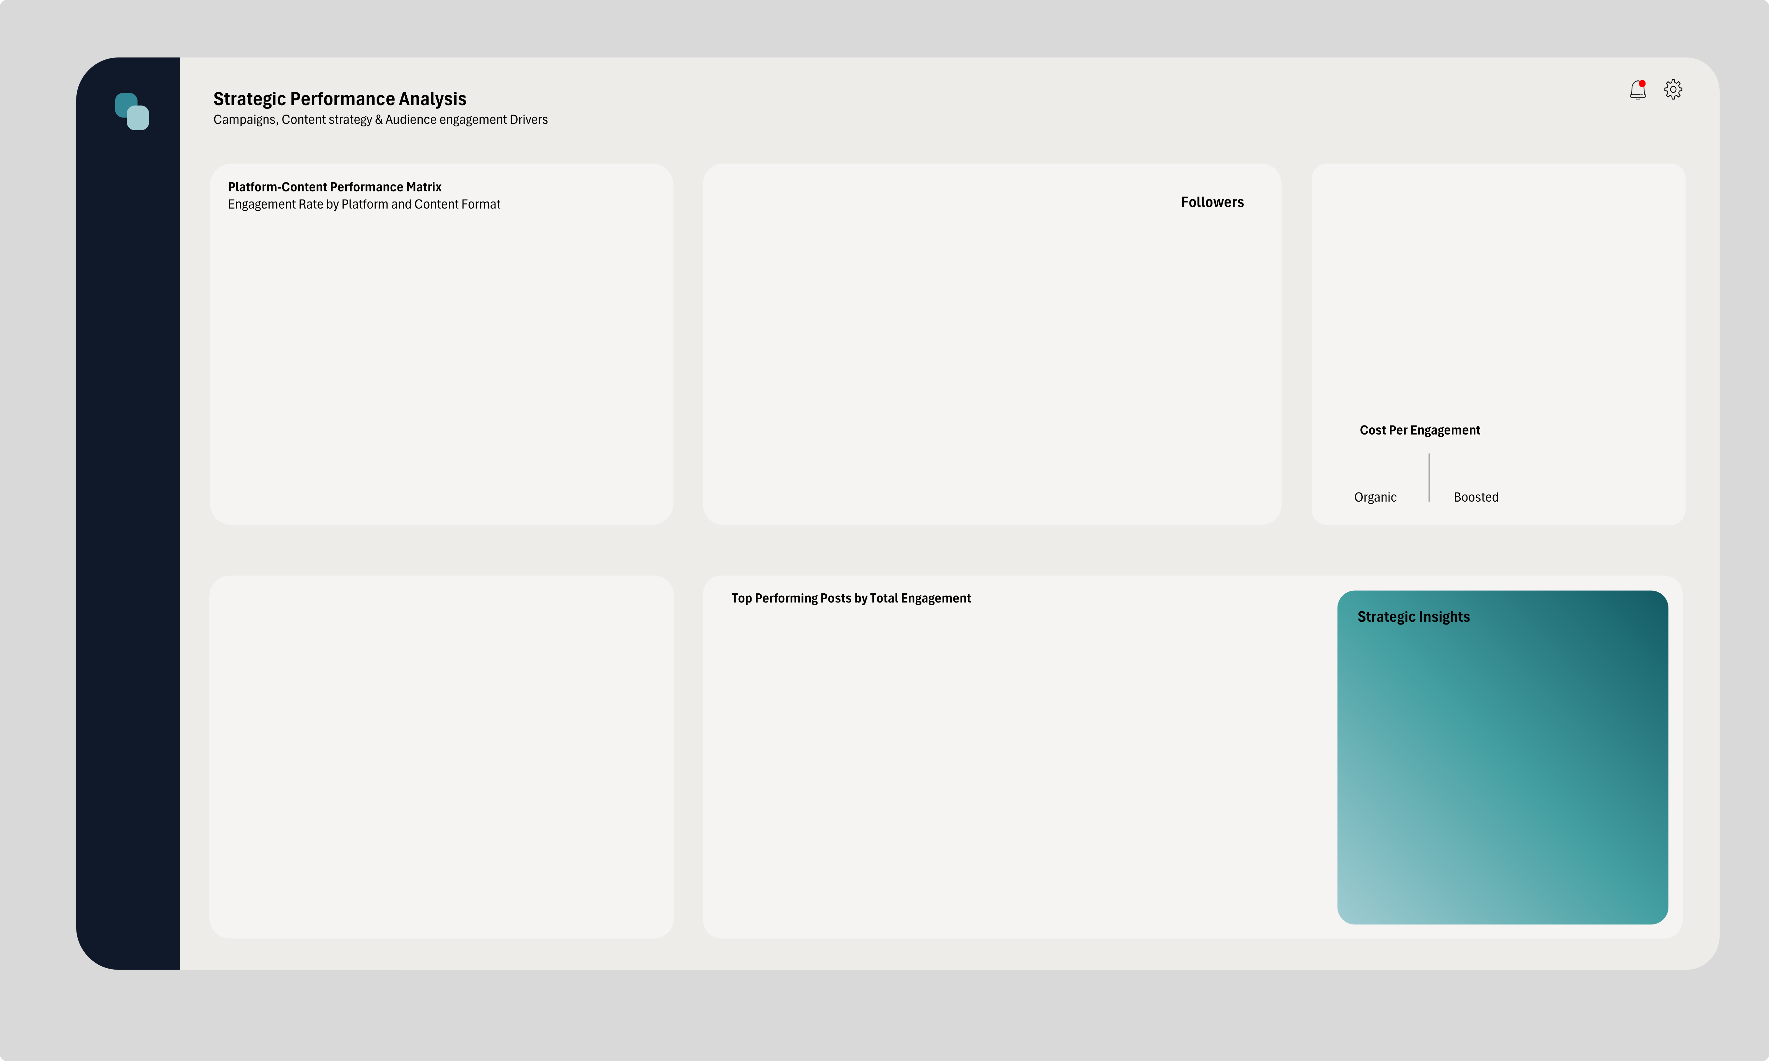

Marketing Campaign Performance Total Engagement and Followers Growth
Back to School | 50,982
Fall Collection | 82,379
Holiday Magic | 101,768
New Year Reset | 139,646
Spring Launch | 227,078
Summer Vibes | 269,120
Engagement Performance; Boosted Vs Organic Posts
Organic | 1246.86
Boosted | 3542.31

2,391

2,833

1,452

1,188

TikTok delivers the highest engagement among all platforms with an average engagement rate of 8.97%. Across media formats, Video posts perform best with an engagement rate of 9.35%.
1,254

$0.12
$0.14
913

Engagement Rate by Posting Time Optimal Posting Time Based on Engagement
Afternoon | 7.47%
Evening | 7.15%
Morning | 5.69%
Midday | 5.53%

TikTok drives the highest engagement across platforms with an average rate of 9.0%. Video content generates the strongest audience interaction, while the Summer Vibes campaign produced the highest total engagement. Posting during the Afternoon period consistently delivers stronger engagement.

